Table 45
Table 2. Freon™ 134a Superheated Vapor—Constant Pressure Table (continued) V = Volume in m3/kg H = Enthalpy in kJ/kg S = Entropy in kJ/(kg)(K) vs = Velocity of Sound in m/sec Cp = Heat Capacity at Constant Pressure in kJ/(kg)(°C) Cp/Cv = Heat Capacity Ratio (Dimensionless)
Temp [°C] | Pressure = 3800.00 kPa (abs) |  |  |  |  |  |  | Pressure = 4000.00 kPa (abs) |  |  |  |  |  | Temp [°C]
 | V | H | S | Cp | Cp/Cv | vS |  | V | H | S | Cp | Cp/Cv | vS
97.83 | 0.00139 | 364.0 | 1.4947 | 6.3049 | 5.6279 | 116.1 | SAT LIQ | 0.00158 | 375.6 | 1.5250 | 28.1470 | 24.2211 | 95.7 | 100.37
97.83 | 0.00319 | 415.1 | 1.6324 | 9.3686 | 8.0817 | 99.5 | SAT VAP | 0.00254 | 404.4 | 1.6022 | 42.1018 | 35.2394 | 95.0 | 100.37
100 | 0.00374 | 427.0 | 1.6645 | 3.8743 | 3.4563 | 107.3 |  | — | — | — | — | — | — | 100
105 | 0.00438 | 441.5 | 1.7031 | 2.3563 | 2.1772 | 117.6 |  | 0.00376 | 433.7 | 1.6804 | 3.1309 | 2.8151 | 111.6 | 105
110 | 0.00482 | 452.1 | 1.7309 | 1.9265 | 1.8153 | 124.9 |  | 0.00429 | 446.7 | 1.7143 | 2.2216 | 2.0540 | 120.4 | 110
115 | 0.00517 | 461.1 | 1.7543 | 1.7135 | 1.6356 | 130.8 |  | 0.00468 | 456.8 | 1.7406 | 1.8780 | 1.7663 | 127.1 | 115
120 | 0.00549 | 469.4 | 1.7754 | 1.5848 | 1.5261 | 135.9 |  | 0.00501 | 465.7 | 1.7634 | 1.6927 | 1.6106 | 132.7 | 120
125 | 0.00577 | 477.1 | 1.7948 | 1.4986 | 1.4519 | 140.4 |  | 0.00530 | 473.8 | 1.7840 | 1.5762 | 1.5117 | 137.5 | 125
130 | 0.00602 | 484.4 | 1.8131 | 1.4371 | 1.3979 | 144.4 |  | 0.00556 | 481.5 | 1.8031 | 1.4963 | 1.4429 | 141.8 | 130
135 | 0.00626 | 491.4 | 1.8306 | 1.3915 | 1.3569 | 148.1 |  | 0.00580 | 488.8 | 1.8212 | 1.4384 | 1.3921 | 145.8 | 135
140 | 0.00649 | 498.3 | 1.8473 | 1.3566 | 1.3245 | 151.6 |  | 0.00603 | 495.9 | 1.8385 | 1.3950 | 1.3530 | 149.4 | 140
145 | 0.00671 | 505.0 | 1.8634 | 1.3295 | 1.2982 | 154.8 |  | 0.00624 | 502.8 | 1.8550 | 1.3615 | 1.3219 | 152.8 | 145
150 | 0.00691 | 511.6 | 1.8791 | 1.3080 | 1.2766 | 157.8 |  | 0.00645 | 509.5 | 1.8710 | 1.3354 | 1.2965 | 155.9 | 150
155 | 0.00711 | 518.1 | 1.8944 | 1.2910 | 1.2583 | 160.7 |  | 0.00664 | 516.2 | 1.8866 | 1.3146 | 1.2755 | 158.9 | 155
160 | 0.00731 | 524.5 | 1.9093 | 1.2775 | 1.2428 | 163.4 |  | 0.00683 | 522.7 | 1.9018 | 1.2981 | 1.2577 | 161.7 | 160
165 | 0.00749 | 530.9 | 1.9239 | 1.2666 | 1.2293 | 166.0 |  | 0.00702 | 529.2 | 1.9166 | 1.2849 | 1.2424 | 164.4 | 165
170 | 0.00767 | 537.2 | 1.9382 | 1.2580 | 1.2176 | 168.4 |  | 0.00719 | 535.6 | 1.9311 | 1.2743 | 1.2293 | 167.0 | 170
175 | 0.00785 | 543.5 | 1.9523 | 1.2512 | 1.2073 | 170.8 |  | 0.00737 | 541.9 | 1.9454 | 1.2658 | 1.2177 | 169.4 | 175
180 | 0.00802 | 549.7 | 1.9661 | 1.2459 | 1.1982 | 173.1 |  | 0.00753 | 548.2 | 1.9594 | 1.2591 | 1.2076 | 171.8 | 180
185 | 0.00819 | 555.9 | 1.9798 | 1.2419 | 1.1900 | 175.3 |  | 0.00770 | 554.5 | 1.9732 | 1.2539 | 1.1985 | 174.1 | 185
190 | 0.00836 | 562.1 | 1.9932 | 1.2390 | 1.1827 | 177.5 |  | 0.00786 | 560.8 | 1.9867 | 1.2499 | 1.1904 | 176.3 | 190
195 | 0.00852 | 568.3 | 2.0065 | 1.2369 | 1.1760 | 179.6 |  | 0.00802 | 567.0 | 2.0001 | 1.2470 | 1.1831 | 178.4 | 195
200 | 0.00868 | 574.5 | 2.0197 | 1.2357 | 1.1700 | 181.6 |  | 0.00817 | 573.2 | 2.0134 | 1.2450 | 1.1765 | 180.5 | 200
205 | 0.00884 | 580.7 | 2.0326 | 1.2351 | 1.1645 | 183.5 |  | 0.00833 | 579.4 | 2.0265 | 1.2438 | 1.1705 | 182.5 | 205
210 | 0.00900 | 586.9 | 2.0455 | 1.2351 | 1.1594 | 185.5 |  | 0.00848 | 585.7 | 2.0394 | 1.2432 | 1.1650 | 184.5 | 210
215 | 0.00915 | 593.0 | 2.0582 | 1.2357 | 1.1548 | 187.3 |  | 0.00863 | 591.9 | 2.0522 | 1.2431 | 1.1600 | 186.4 | 215
220 | 0.00930 | 599.2 | 2.0708 | 1.2366 | 1.1505 | 189.1 |  | 0.00877 | 598.1 | 2.0649 | 1.2436 | 1.1554 | 188.3 | 220
225 | 0.00945 | 605.4 | 2.0833 | 1.2380 | 1.1465 | 190.9 |  | 0.00892 | 604.3 | 2.0774 | 1.2445 | 1.1511 | 190.1 | 225
230 | 0.00960 | 611.6 | 2.0957 | 1.2397 | 1.1428 | 192.7 |  | 0.00906 | 610.5 | 2.0898 | 1.2458 | 1.1471 | 191.9 | 230
235 | 0.00975 | 617.8 | 2.1079 | 1.2416 | 1.1394 | 194.4 |  | 0.00920 | 616.8 | 2.1022 | 1.2475 | 1.1434 | 193.6 | 235
240 | 0.00989 | 624.0 | 2.1201 | 1.2439 | 1.1362 | 196.1 |  | 0.00934 | 623.0 | 2.1144 | 1.2494 | 1.1400 | 195.3 | 240
245 | 0.01004 | 630.2 | 2.1322 | 1.2463 | 1.1331 | 197.7 |  | 0.00948 | 629.3 | 2.1265 | 1.2515 | 1.1368 | 197.0 | 245
250 | 0.01018 | 636.5 | 2.1441 | 1.2490 | 1.1303 | 199.3 |  | 0.00962 | 635.5 | 2.1386 | 1.2539 | 1.1337 | 198.6 | 250
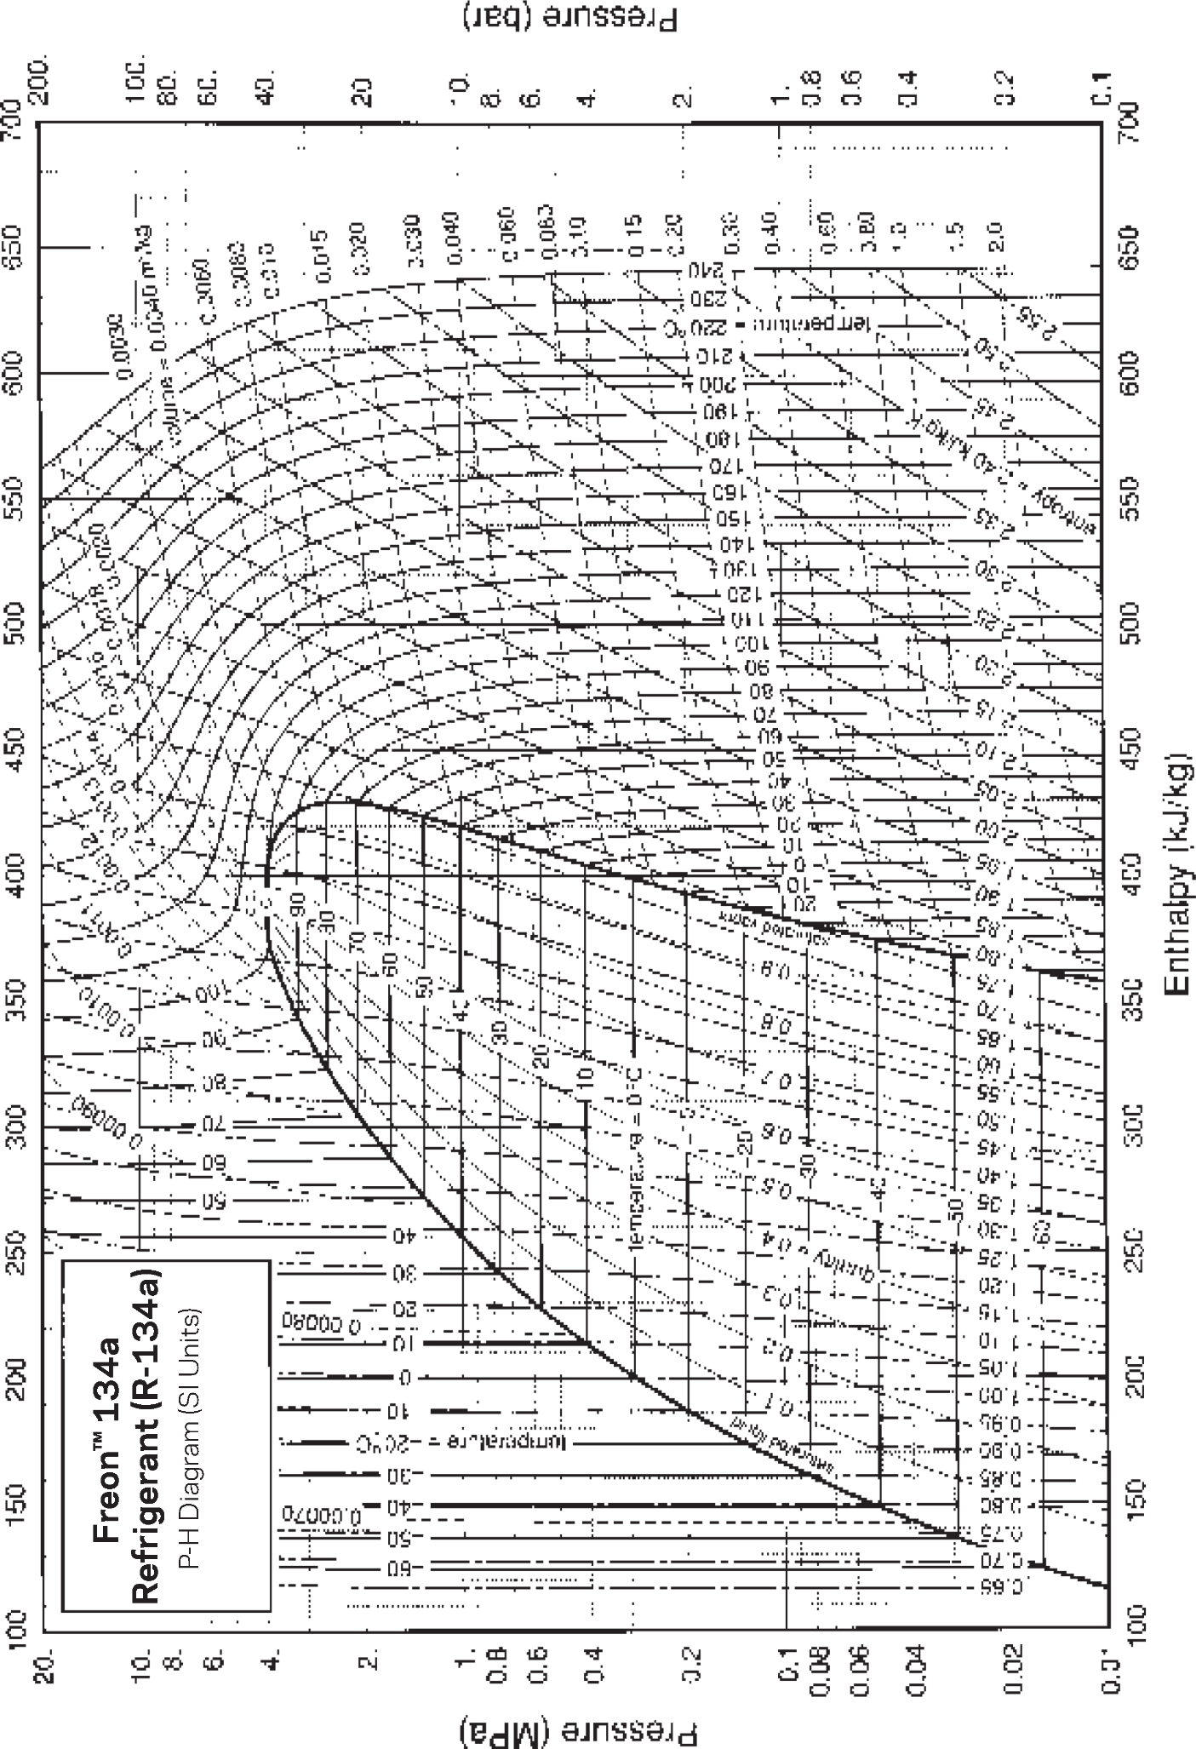

Freon™ 134a Refrigerant
For more information on Freon™ refrigerants, visit freon.com The information set forth herein is furnished free of charge and based on technical data that Chemours believes to be reliable. It is intended for use by persons having technical skill, at their own risk. Because conditions of use are outside our control, Chemours makes no warranties, expressed or implied, and assumes no liability in connection with any use of this information. Nothing herein is to be taken as a license to operate under, or a recommendation to infringe, any patents or patent applications. © 2018 The Chemours Company FC, LLC. Freon™ and any associated logos are trademarks or copyrights of The Chemours Company FC, LLC. Chemours™ and the Chemours Logo are trademarks of The Chemours Company. Replaces: H-47752-2 C-11550 (2/18)

